Instructions
 | INSTRUCTIONS FOR COMPLETING THE QUESTIONNAIRE

 | In the context of second-level control activities of competence, first level control functions are required annually to verify the existence and adequacy of security measures and IT security solutions for operational procedures in order to identify any operational criticalities and address appropriate control and/or corrective actions. The collected data is also used, together with the objective evidence collected in the context of other monitoring activities, To calculate the risk factor levels contributing to the identification and evaluation of cyber risk exposure within the ICT & Security Risk Assessment campaign governed by the IT & Cyber Risk Oversight Service. Nel seguito vengono fornite alcune informazioni sul processo sopra descritto.

 | The questions in the questionnaire, necessary to verify the status of implementation of security controls, have been selected from the integrated catalog of first-level controls. The catalog has been defined based on the international standard published by COBIT 2019. Each question in the questionnaire includes a set of responses articulated on a 6-level evaluation scale, consistent with the scales provided by the ICT risk analysis methodology:
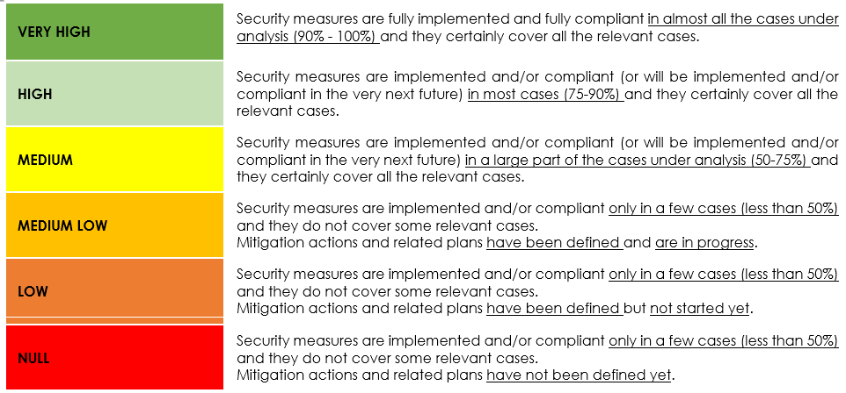

Campaign 2024 : IT Risk Assessment

 | In case a specific requirement is not applicable to the asset under analysis, it is necessary to select the value "N/A" and justify the choice through the corresponding "Rational" field. The applicability of the measures depends on the intrinsic characteristics of the asset under analysis and on the criticality of related products/services/data. All assessments of the level of control objective oversight must be accompanied by information on the rationale underlying the judgment expressed. The evidence underlying the assessments must be provided upon request by the ORMC.

